Sheet1
 |  |  | Defect report of Jewellery Online Shopping App

Sr no | ID | Functionality | Description | Data Steps | Environment | Type of defect | Severity | Priority | Status | Screenshot | Feedback
1 | D_1 | DP | user should see whole dp but half face of model displaying jwellery is cut | 1. open play store 2. click on jwellery online shopping app 3. see dp | Mobile: Samsung galaxy J5 prime, model number SM-G570F | GUI | Critical | minor | fail |  | -
2 | D_2 | homepage | when user open the app , it shows home page ,home and luxe button but home page and home both have same meaning. | 1. open Jewellery Online Shopping app 2. see homepage | Mobile: Samsung galaxy J5 prime, model number SM-G570F | GUI | major | major | fail
3 | D_3 | home button | it is a jwellery app but when user click on home button it shows options like kids wear, men's wear, home and living,luxe | 1. open Jewellery Online Shopping app 2. click on home button | Mobile: Samsung galaxy J5 prime, model number SM-G570F | GUI | major | major | fail
4 | D_4 | Category | in the application kids wear, men's wear, women's wear,jwellery all are displayed but when user click on categories it shows only for jwellery | 1. open Jewellery Online Shopping app 2. click on categories | Mobile: Samsung galaxy J5 prime, model number SM-G570F | GUI | major | major | fail | 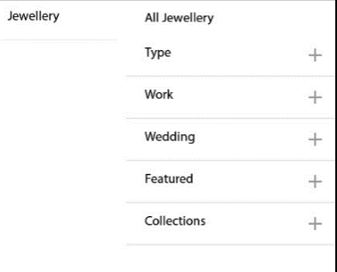
5 | D_5 | sign in | it shows sign in using mobile no or enter email id. When user enter mobile no (0000000000) it accepts invalid mobile no and message came that OTP sent to mobile no 0000000000 | 1. open Jewellery Online Shopping app 2. click on log in /sign up | Mobile: Samsung galaxy J5 prime, model number SM-G570F | login | Critical | critical | fail | 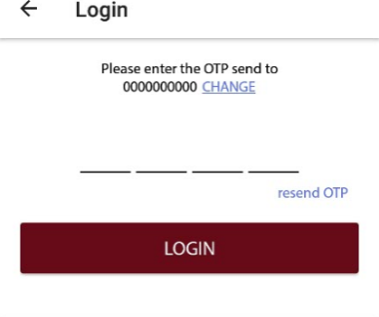
6 | D_6 | my wallet | when user click on my wallet button there is no options to add money in wallet | 1. open Jewellery Online Shopping app 2. click on log in 3. click on my wallet | Mobile: Samsung galaxy J5 prime, model number SM-G570F | GUI | Critical | critical | fail | 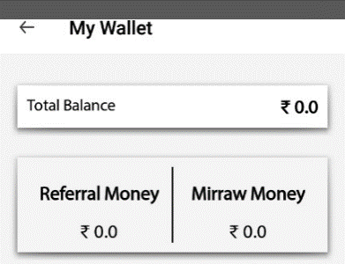 | my wallet button doesn's work
7 | D_7 | sort option | sort option price low to high doesn't work properly | 1. open Jewellery Online Shopping app 2. click on home page 3. click on rings 4. sort by low to high | Mobile: Samsung galaxy J5 prime, model number SM-G570F | GUI | major | major | fail | 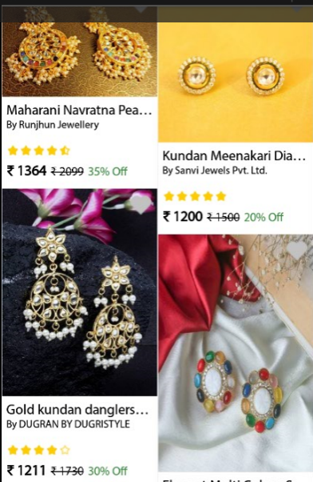
8 | D_8 | sort option | sort option price high to low doesn't work properly | 1. open Jewellery Online Shopping app 2. click on home page 3. click on rings 4. sort by high to low | Mobile: Samsung galaxy J5 prime, model number SM-G570F | GUI | major | major | fail | 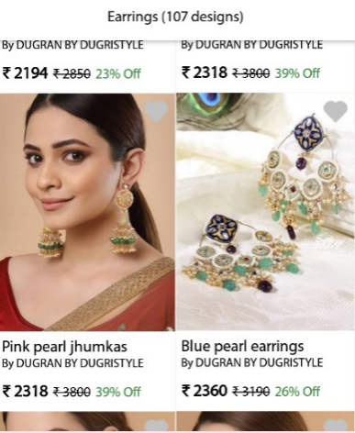
9 | D_9 | sort option | sort option top rated doesn't work properly | 1. open Jewellery Online Shopping app 2. click on home page 3. click on rings 4. sort by top rated | Mobile: Samsung galaxy J5 prime, model number SM-G570F | GUI | major | major | fail
10 | D_10 | filter by price option | when user select the filter and filter it by price range rs 501 to rs 1000 then also it shows jwellery of all ranges | 1. open Jewellery Online Shopping app 2. click on home page 3. click on earrings 4. click on filter by price | Mobile: Samsung galaxy J5 prime, model number SM-G570F | GUI | major | major | fail | 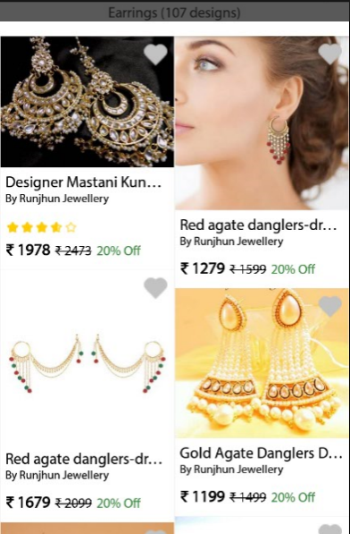
11 | D_11 | filter by discount | when user select the filter and filter it by discount 20 % to 40 % then also it shows jwellery of other discounts also | 1. open Jewellery Online Shopping app 2. click on home page 3. click on earrings 4. click on filter by discount | Mobile: Samsung galaxy J5 prime, model number SM-G570F | GUI | major | major | fail | 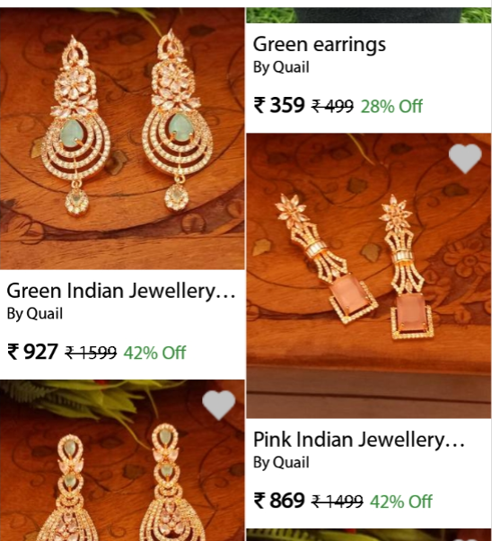
12 | D_12 | filter by ratings 4 + | when user select the filter and filter it by reting 4 + then also it shows jwellery of all ratings | 1. open Jewellery Online Shopping app 2. click on home page 3. click on rings 4. click on filter by ratings 4 + | Mobile: Samsung galaxy J5 prime, model number SM-G570F | GUI | major | major | fail | 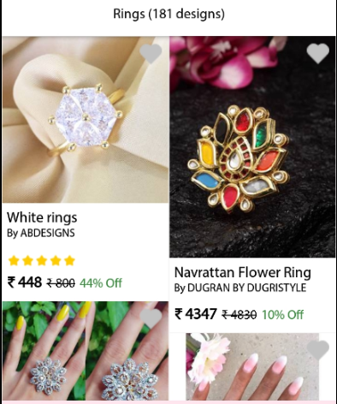
13 | D_13 | filter by only COD products | when user click on filter by only COD products it shows enter pin code use ',' for multiple pincodes, but when user enter multiple pincodes ther is no option for enter comma in keyboard | 1. open Jewellery Online Shopping app 2. click on home page 3. click on rings 4. filter by only COD products | Mobile: Samsung galaxy J5 prime, model number SM-G570F | GUI | major | major | fail | 